MDMTERM BOND
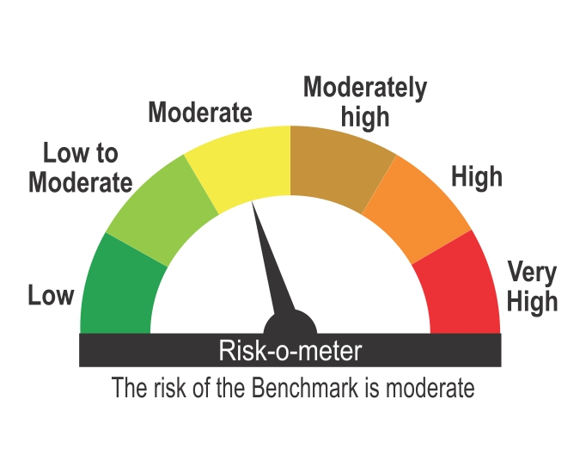
ICICI Prudential Mutual Fund
ICICI Prudential Medium Term Bond Fund
Portfolio as on Apr 30,2026
Company/Issuer/Instrument Name | ISIN | Coupon | Industry/Rating | Quantity | Exposure/Market Value(Rs.Lakh) | % to Nav | Yield of the instrument | Yield to Call @
Equity & Equity Related Instruments |  |  |  |  | 26911.91 | 4.93%

Units of Real Estate Investment Trust (REITs) |  |  |  |  | 26911.91 | 4.93%
EMBASSY OFFICE PARKS REIT | INE041025011 |  | Units of Real Estate Investment Trust (REITs) | 4765556 | 20242.18 | 3.71%
Brookfield India Real Estate Trust REIT | INE0FDU25010 |  | Units of Real Estate Investment Trust (REITs) | 1386223 | 4517.98 | 0.83%
MINDSPACE BUSINESS PARKS REIT | INE0CCU25019 |  | Units of Real Estate Investment Trust (REITs) | 455752 | 2128.82 | 0.39%
Nexus Select Trust | INE0NDH25011 |  | Units of Real Estate Investment Trust (REITs) | 14766 | 22.93 | ^

Debt Instruments |  |  |  |  | 464559.29 | 85.11%

Listed / Awaiting Listing On Stock Exchanges |  |  |  |  | 449703.32 | 82.39%

Government Securities |  |  |  |  | 96067.63 | 17.60%
Government Securities | IN0020240035 | 7.34 | SOV | 18801500 | 18019.17 | 3.30% | 7.83
Government Securities | IN0020250018 | 6.9 | SOV | 17500000 | 15864.80 | 2.91% | 7.80
Government Securities | IN0020250091 | 6.48 | SOV | 12500000 | 12035.25 | 2.20% | 7.15
Government Securities | IN0020250042 | 6.68 | SOV | 10078100 | 9502.46 | 1.74% | 7.47
Government Securities | IN0020250075 | 7.24 | SOV | 8538300 | 8198.50 | 1.50% | 7.72
State Government of Rajasthan | IN2920250221 | 7.56 | SOV | 2500000 | 2432.47 | 0.45% | 8.02
State Government of Rajasthan | IN2920250213 | 7.46 | SOV | 2500000 | 2422.65 | 0.44% | 8.01
State Government of Maharashtra | IN2220250376 | 7.25 | SOV | 2456600 | 2364.16 | 0.43% | 7.90
State Government of Andhra Pradesh | IN1020250321 | 7.5 | SOV | 2261900 | 2177.52 | 0.40% | 8.03
State Government of Andhra Pradesh | IN1020250339 | 7.5 | SOV | 2261900 | 2174.62 | 0.40% | 8.04
State Government of Telangana | IN4520250528 | 7.34 | SOV | 2064900 | 1983.34 | 0.36% | 7.99
State Government of Rajasthan | IN2920250338 | 7.54 | SOV | 1941500 | 1915.91 | 0.35% | 7.88
State Government of Maharashtra | IN2220240435 | 7.14 | SOV | 2000000 | 1897.87 | 0.35% | 7.93
State Government of Rajasthan | IN2920250312 | 7.24 | SOV | 1956400 | 1894.10 | 0.35% | 7.83
State Government of Andhra Pradesh | IN1020250313 | 7.63 | SOV | 1851800 | 1827.17 | 0.33% | 7.96
State Government of Madhya Pradesh | IN2120250187 | 7.48 | SOV | 1805700 | 1737.47 | 0.32% | 8.02
State Government of Maharashtra | IN2220240427 | 7.12 | SOV | 1653600 | 1571.94 | 0.29% | 7.92
State Government of Odisha | IN2720250082 | 7.43 | SOV | 1582000 | 1529.54 | 0.28% | 7.97
Government Securities | IN0020240118 | 7.09 | SOV | 1500000 | 1412.25 | 0.26% | 7.74
State Government of Chhattisgarh | IN3520240083 | 7.32 | SOV | 1381400 | 1330.98 | 0.24% | 7.98
State Government of Karnataka | IN1920240257 | 7.13 | SOV | 1331200 | 1290.74 | 0.24% | 7.77
State Government of Karnataka | IN1920250256 | 7.47 | SOV | 1128100 | 1114.59 | 0.20% | 7.78
State Government of Haryana | IN1620250184 | 7.43 | SOV | 694100 | 669.92 | 0.12% | 8.01
State Government of Maharashtra | IN2220250319 | 7.27 | SOV | 327900 | 319.32 | 0.06% | 7.78
State Government of West Bengal | IN3420240241 | 7.29 | SOV | 288800 | 276.61 | 0.05% | 7.99
State Government of Uttar Pradesh | IN3320250126 | 7.36 | SOV | 107000 | 104.28 | 0.02% | 7.86

Non-Convertible debentures / Bonds |  |  |  |  | 337946.20 | 61.91%
Adani Enterprises Ltd. ** | INE423A07476 | 8.7 | ICRA AA- | 17500 | 17326.07 | 3.17% | 9.49
Vedanta Ltd. ** | INE205A08038 | 9.4 | ICRA AA | 17000 | 17056.42 | 3.12% | 8.83
Tata Projects Ltd. ** | INE725H08246 | 8.6 | FITCH AA | 15000 | 14993.97 | 2.75% | 8.49
Oberoi Realty Ltd. ** | INE093I07082 | 8.05 | CARE AA+ | 15000 | 14984.06 | 2.75% | 8.35
Godrej Properties Ltd. ** | INE484J08089 | 8.4 | ICRA AA+ | 12500 | 12582.68 | 2.31% | 7.99
Adani Power Ltd. ** | INE814H07190 | 8 | CRISIL AA | 12500 | 12406.73 | 2.27% | 8.74
TVS Credit Services Ltd. ** | INE729N08089 | 9.5 | CRISIL AA+ | 110 | 11198.95 | 2.05% | 8.35
Torrent Power Ltd. ** | INE813H07366 | 8.32 | CRISIL AA+ | 10500 | 10556.83 | 1.93% | 8.08
Lodha Developers Ltd. ** | INE670K07273 | 8.6 | CRISIL AA | 10000 | 10019.56 | 1.84% | 8.54
Nuvama Wealth & Investment Ltd ** | INE523L07AO8 | 9 | CARE AA | 10000 | 10012.72 | 1.83% | 8.83
G R Infraprojects Ltd. ** | INE201P08209 | 8.35 | CARE AA+ | 10000 | 9993.45 | 1.83% | 8.28
Oriental Nagpur Betul Highway Ltd. ** | INE105N07209 | 8.28 | CRISIL AAA | 8237 | 8236.09 | 1.51% | 8.25
Vedanta Ltd. | INE205A08046 | 9.31 | CRISIL AA | 7500 | 7547.73 | 1.38% | 8.90
Avanse Financial Services Ltd ** | INE087P07444 | 9.4 | CRISIL AA- | 7500 | 7506.49 | 1.38% | 8.99
TVS Credit Services Ltd. ** | INE729N08113 | 9.38 | CRISIL AA+ | 70 | 7219.11 | 1.32% | 8.42
Godrej Properties Ltd. ** | INE484J08071 | 8.55 | ICRA AA+ | 6500 | 6584.70 | 1.21% | 8.06
Ess Kay Fincorp Ltd | INE124N07721 | 9.25 | ICRA AA- | 6500 | 6499.10 | 1.19% | 8.73
Cholamandalam Investment And Finance Company Ltd. ** | INE121A08PP7 | 9.1 | ICRA AA+ | 5500 | 5565.63 | 1.02% | 8.79
TVS Credit Services Ltd. ** | INE729N08097 | 9.35 | CRISIL AA+ | 50 | 5100.11 | 0.93% | 8.38
Indostar Capital Finance Ltd. ** | INE896L07975 | 9.95 | CARE AA- | 5000 | 5050.20 | 0.93% | 8.40
Indostar Capital Finance Ltd. ** | INE896L07AJ8 | 9.6 | CARE AA- | 5000 | 5022.07 | 0.92% | 9.08
Altius Telecom Infrastructure Trust. ** | INE0BWS08019 | 8.4 | CRISIL AAA | 5000 | 5008.36 | 0.92% | 7.10
360 One Prime Ltd ** | INE248U07GB7 | 8.75 | ICRA AA | 5000 | 4996.99 | 0.92% | 8.73
360 One Prime Ltd ** | INE248U07GG6 | 8.8 | ICRA AA | 5000 | 4990.37 | 0.91% | 8.91
360 One Prime Ltd. ** | INE248U07GC5 | 8.75 | ICRA AA | 5000 | 4990.27 | 0.91% | 8.83
Kalpataru Projects International Ltd ** | INE220B08142 | 8.32 | FITCH AA | 5000 | 4989.25 | 0.91% | 8.42
Nexus Select Trust ** | INE0NDH07050 | 7.19 | ICRA AAA | 5000 | 4968.59 | 0.91% | 7.88
Hampi Expressways Private Ltd. ** | INE03ST08010 | 8.2 | CARE AA+(CE) | 5000 | 4932.82 | 0.90% | 7.81
Pipeline Infrastructure Pvt Ltd. ** | INE01XX07034 | 7.96 | CRISIL AAA | 4900 | 4930.63 | 0.90% | 7.92
Bharat Sanchar Nigam Ltd. ** | INE103D08021 | 6.79 | CRISIL AAA(CE) | 510 | 4908.42 | 0.90% | 7.97
JM Financial Services Ltd. ** | INE012I07090 | 8.49 | ICRA AA | 5000 | 4890.46 | 0.90% | 9.45
L&T Metro Rail (Hyderabad) Ltd. ** | INE128M08094 | 7.55 | CRISIL AAA(CE) | 5000 | 4887.67 | 0.90% | 7.91
Mahanagar Telephone Nigam Ltd. ** # | INE153A08089 | 7.05 | BWR AA+(CE) | 500 | 4783.21 | 0.88% | 8.40
Aavas Financiers Ltd. ** | INE216P07217 | 7.75 | CARE AA | 450 | 4491.69 | 0.82% | 7.83
Aptus Value Housing Finance India Ltd. ** | INE852O07139 | 8.75 | CARE AA | 5000 | 4010.38 | 0.73% | 8.37
Lodha Developers Ltd. ** | INE670K07281 | 8.14 | CRISIL AA | 5000 | 3997.24 | 0.73% | 8.54
SIS Ltd. ** | INE285J07058 | 8.5 | CRISIL AA- | 3750 | 3741.39 | 0.69% | 9.13
Aptus Value Housing Finance India Ltd. ** | INE852O07147 | 8.75 | CARE AA | 4000 | 3209.00 | 0.59% | 8.64
Oriental Nagpur Betul Highway Ltd. ** | INE105N07217 | 8.28 | CRISIL AAA | 3094 | 3088.60 | 0.57% | 8.65
Oriental Nagpur Betul Highway Ltd. ** | INE105N07225 | 8.28 | CRISIL AAA | 3000 | 2989.21 | 0.55% | 8.73
Cholamandalam Investment And Finance Company Ltd. ** | INE121A08PT9 | 9.05 | ICRA AA+ | 2500 | 2527.03 | 0.46% | 8.80
Piramal Finance Ltd. ** | INE202B07JR4 | 9.15 | CARE AA+ | 2500 | 2515.63 | 0.46% | 8.51
Eris Lifesciences Ltd. ** | INE406M08029 | 8.73 | FITCH AA | 2500 | 2509.45 | 0.46% | 8.33
Bahadur Chand Investments Pvt. Ltd. ** | INE087M08126 | 9.25 | ICRA AA+ | 2500 | 2504.12 | 0.46% | 8.90
LIC Housing Finance Ltd. ** | INE115A07RF8 | 7.58 | CRISIL AAA | 2500 | 2498.19 | 0.46% | 7.67
Bahadur Chand Investments Pvt. Ltd. ** | INE087M08134 | 9.25 | ICRA AA+ | 2500 | 2497.59 | 0.46% | 9.28
NABARD | INE261F08EM1 | 7.53 | ICRA AAA | 2500 | 2497.23 | 0.46% | 7.58
NABARD | INE261F08EK5 | 7.44 | CRISIL AAA | 2500 | 2495.31 | 0.46% | 7.53
NABARD | INE261F08EO7 | 7.48 | CRISIL AAA | 2500 | 2488.06 | 0.46% | 7.68
NABARD | INE261F08EU4 | 7.44 | CRISIL AAA | 2500 | 2482.59 | 0.45% | 7.70
Small Industries Development Bank Of India. ** | INE556F08KS8 | 7.34 | CRISIL AAA | 2500 | 2479.03 | 0.45% | 7.68
JM Financial Services Ltd. ** | INE012I07108 | 8.4 | ICRA AA | 2500 | 2466.53 | 0.45% | 9.30
LIC Housing Finance Ltd. ** | INE115A07RB7 | 7.58 | CRISIL AAA | 2500 | 2465.50 | 0.45% | 7.80
MINDSPACE BUSINESS PARKS REIT | INE0CCU07199 | 7.1652 | ICRA AAA | 2500 | 2459.16 | 0.45% | 8.04
Small Industries Development Bank Of India. ** | INE556F08LA4 | 6.74 | CRISIL AAA | 2500 | 2443.55 | 0.45% | 7.68
Jamnagar Utilities & Power Pvt. Ltd. ** | INE936D07190 | 7.43 | CRISIL AAA | 2500 | 2432.73 | 0.45% | 7.87
Indostar Capital Finance Ltd. ** | INE896L07AG4 | 10.1 | CARE AA- | 1500 | 1512.92 | 0.28% | 9.11
Sheela Foam Ltd. ** | INE916U08012 | 8.45 | FITCH AA | 1500 | 1500.35 | 0.27% | 8.01
Phoenix Arc Pvt Ltd. ** | INE163K07139 | 8.95 | CRISIL AA | 850 | 847.38 | 0.16% | 9.10
Phoenix Arc Pvt Ltd. ** | INE163K07154 | 8.95 | CRISIL AA | 850 | 846.35 | 0.16% | 9.18
Godrej Seeds & Genetics Ltd. ** | INE316Z08022 | 7.68 | CRISIL AA | 750 | 740.87 | 0.14% | 8.47
Godrej Seeds & Genetics Ltd. ** | INE316Z08048 | 7.68 | CRISIL AA | 750 | 739.48 | 0.14% | 8.47
Godrej Seeds & Genetics Ltd. ** | INE316Z08030 | 7.68 | CRISIL AA | 750 | 736.75 | 0.13% | 8.55
Godrej Seeds & Genetics Ltd. ** | INE316Z08014 | 7.68 | CRISIL AA | 750 | 735.78 | 0.13% | 8.55
Rural Electrification Corporation Ltd. ** | INE020B08BS3 | 8.8 | CRISIL AAA | 20 | 205.90 | 0.04% | 7.67
Rural Electrification Corporation Ltd. ** | INE020B08BQ7 | 8.85 | CRISIL AAA | 5 | 51.50 | 0.01% | 7.67

Zero Coupon Bonds / Deep Discount Bonds |  |  |  |  | 15689.49 | 2.87%
JTPM Metal Traders Ltd. ** | INE02PE08036 |  | CRISIL AA | 15000 | 15689.49 | 2.87% | 8.63

Privately Placed/unlisted |  |  |  |  | Nil | Nil

Securitized Debt Instruments |  |  |  |  | 14855.97 | 2.72%
Siddhivinayak Securitisation Trust ** | INE2I7F15012 |  | CRISIL AAA(SO) | 150 | 14855.97 | 2.72% | 7.90

Term Deposits |  |  |  |  | Nil | Nil

Deposits (maturity not exceeding 91 days) |  |  |  |  | Nil | Nil

Deposits (Placed as Margin) |  |  |  |  | Nil | Nil

Money Market Instruments |  |  |  |  | 4705.95 | 0.86%

Certificate of Deposits |  |  |  |  | 4705.95 | 0.86%
HDFC Bank Ltd. ** | INE040A16IZ6 |  | CRISIL A1+ | 1000 | 4705.95 | 0.86% | 7.24

Commercial Papers |  |  |  |  | Nil | Nil

Bills Rediscounted |  |  |  |  | Nil | Nil

Treasury Bills |  |  |  |  | Nil | Nil

Units of Infrastructure Investment Trusts (InvITs) |  |  |  |  | 22487.31 | 4.12%
Capital Infra Trust InvIT | INE0Z8Z23013 |  | Units of Infrastructure Investment Trusts | 14841358 | 10387.47 | 1.90%
Cube Highways Trust | INE0NR623014 |  | Units of Infrastructure Investment Trusts | 4200000 | 6216.00 | 1.14%
Raajmarg Infra Investment Trust | INE2PB023011 |  | Units of Infrastructure Investment Trusts | 5320892 | 5883.84 | 1.08%

Units of an Alternative Investment Fund (AIF) |  |  |  |  | 1893.01 | 0.35%
Corporate Debt Market Development Fund (Class A2) | INF0RQ622028 |  | Financial Services | 16109 | 1893.01 | 0.35%

TREPS |  |  |  |  | 15565.25 | 2.85%

Net Current Assets |  |  |  |  | 9703.35 | 1.78%
Total Net Assets |  |  |  |  | 545826.07 | 100.00%

Notes
1. Details of security in default beyond its maturity date and its % to NAV as on Apr 30,2026 | Nil
2. Total Value and Percentage of Non Traded/Unlisted/Unquoted/Illiquid shares | Nil
3. ICICI Prudential Medium Term Bond Fund - NAV & Dividend

Plan Name | NAV per Unit - 31-Mar-2026 | NAV per Unit - 30-Apr-2026 | Dividend declared during the Month ended 30-Apr-2026 (Rs.)/Unit
Growth Option | 46.7549 | 47.1343 | -
Quarterly IDCW Option | 10.7773 | 10.7952 | 0.0697
Direct Plan - Growth Option | 51.5781 | 52.0265 | -
Direct Plan - Quarterly IDCW Option | 11.3690 | 11.3764 | 0.0916

4. Total outstanding exposure in derivatives instrument | Nil
5. Total market value of Investment in Foreign Securities / ADRs / GDRs / Overseas ETFs as on Apr 30,2026 | Nil
6. Average Maturity | 6.10 years
7. Details of Term deposits placed as margin | Nil

Non-Convertible debentures / Bonds & Zero Coupon Bonds / Deep Discount Bonds / Certificate of Deposits / Commercial Papers are considered as Traded based on the information provided by external agencies.
** Non Traded / Illiquid Securities.
^ Value Less than 0.01% of NAV in absolute terms.
# Mentioned Security is also rated as AAA (CE) by CRISIL rating agency.
For the Instrument/security whose final ISIN is yet to be assigned, disclosure of ISIN has been made as per the details provided by external agencies.
Debt instruments having structured obligations or credit enhancement features have been denoted with suffix as (SO) or (CE) respectively against the ratings of the instrument.
@ As per AMFI Best Practices Guidelines Circular No. 91/ 2020 - 21 dated March 24, 2021 on Valuation of AT-1 Bonds and Tier 2 Bonds, Yield to call is disclosed for AT-1 Bonds and Tier 2 Bonds issued by Banks as provided by Valuation agencies.
For Instances of Deviation In valuation Of Securities as per SEBI master circular ref no HO/24/13/11(1)2026-IMD-POD-1/I/7602/2026 dated March 20, 2026. Refer link: https://www.icicipruamc.com/about-us/statutory-disclosures?currentTabFilter=OtherDisclosures&&subCatTabFilter=deviationinvaluationofsecurities
As per AMFI Best Practices Guidelines Circular No. AMFI/ 35P/ MEM-COR/ 72 / 2022-23 dated December 31, 2022 on Standard format for disclosure Portfolio YTM for Debt Schemes, Yield of the instrument is disclosed on annualized basis as provided by Valuation agencies.
This scheme has exposure to floating rate instruments and / or interest rate derivatives. The duration of these instruments is linked to the interest rate reset period. The interest rate risk in a floating rate instrument or in a fixed rate instrument hedged with derivatives is likely to be lesser than that in an equivalent maturity fixed rate instrument. Under some market circumstances the volatility may be of an order greater than what may ordinarily be expected considering only its duration. Hence investors are recommended to consider the unadjusted portfolio maturity of the scheme as well and exercise adequate due diligence when deciding to make their investments.

Scheme Riskometer

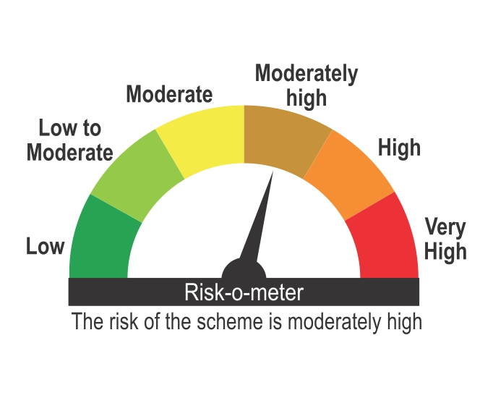

Benchmark Riskometer
Benchmark name - NIFTY Medium Duration Debt Index A-III

